POINTS DESCRIPTION - Power Supp
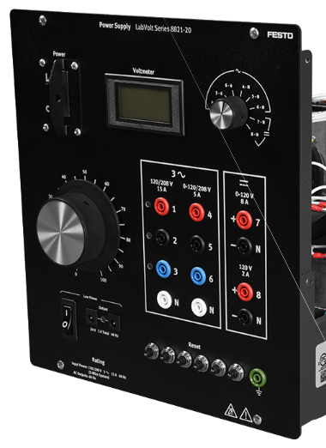
LabVolt Power Supply, 8821 |  | POINT TYPE
 |  | Hardware Point |  |  |  |  | Virtual Point
Point Description | Origin Address | DO | DI | AO | AI | Pwr |  | Destination Address | Destination Description | Notes
AC fixed 120/208 V Phase A | 1 | 0 | 0 | 0 | 0 | 1 | 0 | Red top | Capacitor Bank Phase A Top Point
AC fixed 120/208 V Phase B | 2 | 0 | 0 | 0 | 0 | 1 | 0 | Black top | Capacitor Bank Phase B Top Point
AC fixed 120/208 V Phase C | 3 | 0 | 0 | 0 | 0 | 1 | 0 | Blue top | Capacitor Bank Phase C Top Point
 | Total Points | 0 | 0 | 0 | 0 | 3 | 0

POINTS DESCRIPTION - Cap Bank
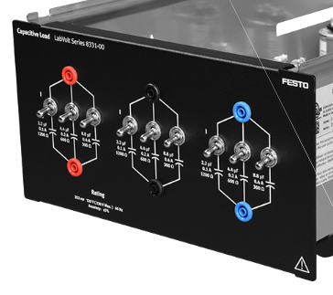
LabVolt Capacitor Bank, 8331 |  | POINT TYPE
 |  | Hardware Point |  |  |  |  | Virtual Point
Point Description | Origin Address | DO | DI | AO | AI | Pwr |  | Destination Address | Destination Description | Notes
Capacitor Bank Phase A Top | Red top | 0 | 0 | 0 | 0 | 1 | 0 | 1 | AC fixed 120/208 V Phase A
Capacitor Bank Phase A Top | Red top | 0 | 0 | 0 | 0 | 1 | 0 | Black bottom | Capacitor Bank Phase B | Delta Configuration
Capacitor Bank Phase A Bottom | Red bottom | 0 | 0 | 0 | 0 | 1 | 0 | Blue top | Capacitor Bank Phase C | Delta Configuration
Capacitor Bank Phase B Top | Black top | 0 | 0 | 0 | 0 | 1 | 0 | 2 | AC fixed 120/208 V Phase B
Capacitor Bank Phase B Top | Black top | 0 | 0 | 0 | 0 | 1 | 0 | Blue bottom | Capacitor Bank Phase C | Delta Configuration
Capacitor Bank Phase B Bottom | Black bottom | 0 | 0 | 0 | 0 | 1 | 0 | Red top | Capacitor Bank Phase A | Delta Configuration
Capacitor Bank Phase C Top | Blue top | 0 | 0 | 0 | 0 | 1 | 0 | 3 | AC fixed 120/208 V Phase C
Capacitor Bank Phase C Top | Blue top | 0 | 0 | 0 | 0 | 1 | 0 | Red bottom | Capacitor Bank Phase A | Delta Configuration
Capacitor Bank Phase C Bottom | Blue bottom | 0 | 0 | 0 | 0 | 1 | 0 | Black top | Capacitor Bank Phase B | Delta Configuration
 | Total Points | 0 | 0 | 0 | 0 | 9 | 0

